시트1
Project Name: | NextLevel Research Conference Management System
Test CaseID | T4.9
Test Case Description | Conference chair read review's content
Created by: | Yechan Kim
Date of testing: | 3rd November 2022
Actor: | Conference Chair
Pre-condition: | Authors submit their papers
 | Papers are allocated to reviewers
 | Reviewers submit their review and rating
 | Conference Chair is on the Accept/Reject Paper page.

Test Step | Step Details | Test Data | Expected Results | Actual Results | Pass/Fail/Not executed/Suspended | Screenshots, if possible | Remarks
T4.9 - 1 | Reviewer clicks "Accpet/Reject Paper" button. | paper(id, topic, description, fileName), paper_authors(paper_id, author_id) | System will direct user to paper decision page, which shows the paper that is waiting for decision, and decided paper. The user should be able to see the list of papers that is to be accepted/rejected or was decided by conference chair. | System directs user to paper decision page, which shows the paper that is waiting for decision, and decided paper. | Pass | 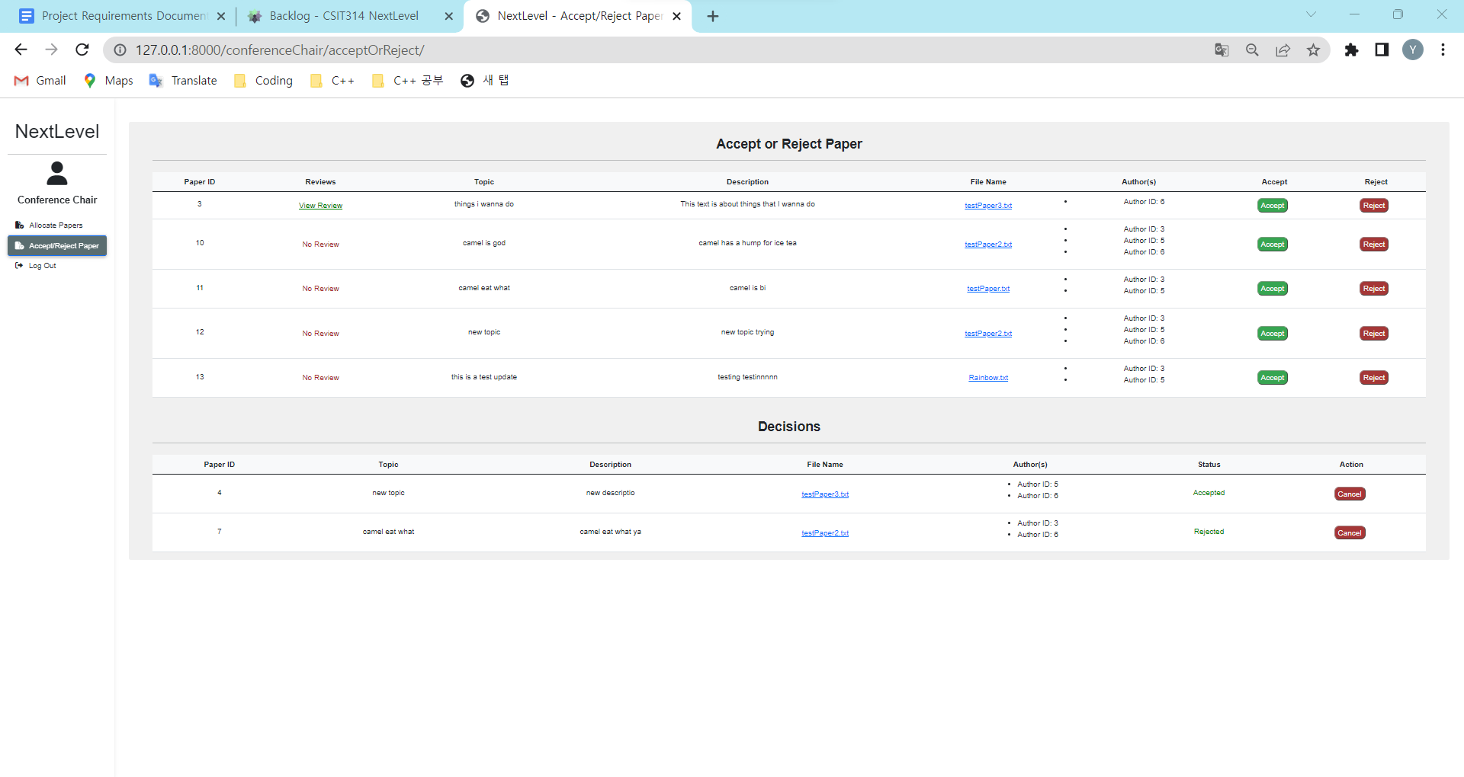
T4.9 - 2 | Reviewer clicks "View Review" button on respective paper. | paper(id), review(id, rating, title, description, paper_id, reviewer_id) | System will direct user to the review view page. The user should be able to see the list of reviews that was submitted by reviewers. | System directs user to the review view page. | Pass | 